1M Lag Regression
P.Oakley
Existing Customer Volume Analysis
Note: US Prime Rate time series is lagged 1 month for predictive ability in model
Note: Data represents time series volume for customers who have existed for at least 1 month

Regression of Account Management Spend and US Prime Rate on 1M Lag Existing Volume: Actual vs Predicted

Month | Existing Volume 1M Lag | Regression Predicted Existing Volume | Residual
2021-01-01 | 482,539,000 | 404,865,724 | 77,673,276
2021-02-01 | 435,043,000 | 404,865,724 | 30,177,276
Actual vs Predicted Volume
2021-03-01 | 394,415,000 | 404,865,724 | (10,450,724)
2021-04-01 | 437,883,000 | 405,248,603 | 32,634,397
2021-05-01 | 444,177,000 | 412,845,726 | 31,331,274
2021-06-01 | 308,709,000 | 404,865,724 | (96,156,724)
2021-07-01 | 313,384,000 | 404,865,724 | (91,481,724)
2021-08-01 | 366,614,000 | 416,624,137 | (50,010,137)
2021-09-01 | 383,026,000 | 418,236,259 | (35,210,259)
2021-10-01 | 477,088,000 | 445,743,086 | 31,344,914
2021-11-01 | 528,363,000 | 435,395,280 | 92,967,720
2021-12-01 | 470,618,000 | 489,199,844 | (18,581,844)
2022-01-01 | 505,987,000 | 473,380,899 | 32,606,101
2022-02-01 | 434,439,000 | 464,534,381 | (30,095,381)
2022-03-01 | 452,604,000 | 468,060,897 | (15,456,897)
2022-04-01 | 405,084,000 | 495,162,041 | (90,078,041)
2022-05-01 | 436,384,000 | 505,469,544 | (69,085,544)
2022-06-01 | 485,072,000 | 495,418,703 | (10,346,703)
2022-07-01 | 472,434,000 | 463,601,565 | 8,832,435
2022-08-01 | 544,796,000 | 436,318,519 | 108,477,481
2022-09-01 | 516,058,000 | 387,168,957 | 128,889,043
2022-10-01 | 482,539,000 | 430,204,647 | 52,334,353
2022-11-01 | 460,373,000 | 409,247,064 | 51,125,936
2022-12-01 | 420,454,000 | 408,695,012 | 11,758,988
2023-01-01 | 498,092,000 | 380,981,362 | 117,110,638
2023-02-01 | 364,078,000 | 407,954,174 | (43,876,174)
2023-03-01 | 373,277,000 | 393,533,107 | (20,256,107)
2023-04-01 | 115,634,000 | 341,811,572 | (226,177,572)

Regression of Account Management Spend and US Prime Rate on 1M Lag Existing Volume: Model Outputs
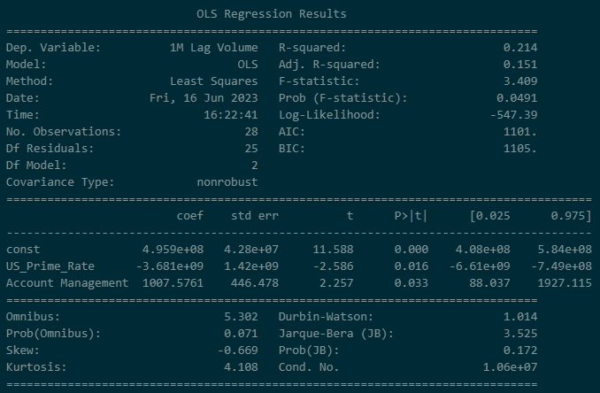

Model Equation: | 1M Lag Existing Volume = 495,900,000 - 3,681,000,000(lag(US Prime Rate)) + 1007.5761(Account Management)

2M Lag Regression
P.Oakley
Existing Customer Volume Analysis
Note: US Prime Rate time series is lagged 1 month for predictive ability in model
Note: Data represents time series volume for customers who have existed for at least 2 months

Regression of Account Management Spend and US Prime Rate on 2M Lag Existing Volume: Actual vs Predicted

Month | Existing Volume 2M Lag | Regression Predicted Existing Volume | Residual
2021-01-01 | 482,533,000 | 404,343,865 | 78,189,135
2021-02-01 | 434,894,000 | 404,343,865 | 30,550,135
Actual vs Predicted Volume
2021-03-01 | 393,084,000 | 404,343,865 | (11,259,865)
2021-04-01 | 437,757,000 | 404,732,283 | 33,024,717
2021-05-01 | 443,989,000 | 412,439,321 | 31,549,679
2021-06-01 | 308,692,000 | 404,343,865 | (95,651,865)
2021-07-01 | 313,099,000 | 404,343,865 | (91,244,865)
2021-08-01 | 366,335,000 | 416,272,397 | (49,937,397)
2021-09-01 | 381,948,000 | 417,907,843 | (35,959,843)
2021-10-01 | 477,035,000 | 445,812,635 | 31,222,365
2021-11-01 | 528,351,000 | 435,315,118 | 93,035,882
2021-12-01 | 470,583,000 | 489,898,119 | (19,315,119)
2022-01-01 | 505,953,000 | 473,850,308 | 32,102,692
2022-02-01 | 434,295,000 | 464,875,799 | (30,580,799)
2022-03-01 | 451,487,000 | 468,453,337 | (16,966,337)
2022-04-01 | 404,733,000 | 495,683,535 | (90,950,535)
2022-05-01 | 436,139,000 | 506,140,166 | (70,001,166)
2022-06-01 | 485,040,000 | 495,417,829 | (10,377,829)
2022-07-01 | 472,208,000 | 462,351,241 | 9,856,759
2022-08-01 | 544,357,000 | 433,884,345 | 110,472,655
2022-09-01 | 516,056,000 | 384,023,693 | 132,032,307
2022-10-01 | 482,326,000 | 426,892,895 | 55,433,105
2022-11-01 | 459,575,000 | 405,632,100 | 53,942,900
2022-12-01 | 420,165,000 | 404,282,938 | 15,882,062
2023-01-01 | 464,292,000 | 375,642,249 | 88,649,751
2023-02-01 | 364,062,000 | 403,005,300 | (38,943,300)
2023-03-01 | 373,116,000 | 388,112,549 | (14,996,549)
2023-04-01 | 115,621,000 | 335,379,673 | (219,758,673)

Regression of Account Management Spend and US Prime Rate on 2M Lag Existing Volume: Model Outputs
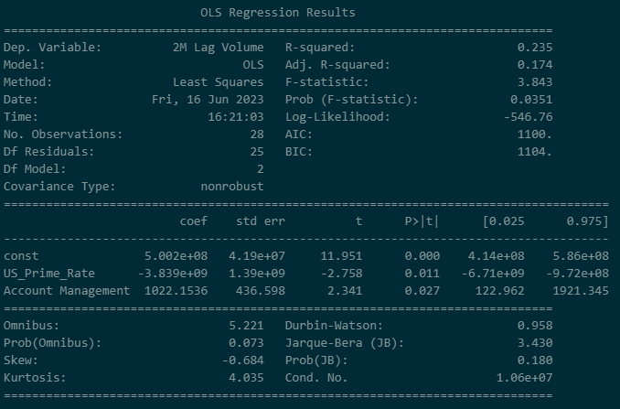

Model Equation: | 2M Lag Existing Volume = 500,200,000 - 3,839,000,000(lag(US Prime Rate)) + 1022.1536(Account Management)

3M Lag Regression
P.Oakley
Existing Customer Volume Analysis
Note: US Prime Rate time series is lagged 1 month for predictive ability in model
Note: Data represents time series volume for customers who have existed for at least 3 months

Regression of Account Management Spend and US Prime Rate on 3M Lag Existing Volume: Actual vs Predicted

Actual vs Predicted Volume
Month | Existing Volume 3M Lag | Regression Predicted Existing Volume | Residual
2021-01-01 | 482,533,000 | 403,734,323 | 78,798,677
2021-02-01 | 434,881,000 | 403,734,323 | 31,146,677
2021-03-01 | 392,976,000 | 403,734,323 | (10,758,323)
2021-04-01 | 437,594,000 | 404,121,932 | 33,472,068
2021-05-01 | 440,914,000 | 411,812,909 | 29,101,091
2021-06-01 | 308,591,000 | 403,734,323 | (95,143,323)
2021-07-01 | 313,086,000 | 403,734,323 | (90,648,323)
2021-08-01 | 365,865,000 | 415,637,997 | (49,772,997)
2021-09-01 | 381,487,000 | 417,270,035 | (35,783,035)
2021-10-01 | 473,375,000 | 445,116,676 | 28,258,324
2021-11-01 | 528,238,000 | 434,641,035 | 93,596,965
2021-12-01 | 470,567,000 | 489,110,288 | (18,543,288)
2022-01-01 | 505,920,000 | 473,095,919 | 32,824,081
2022-02-01 | 434,249,000 | 464,140,113 | (29,891,113)
2022-03-01 | 449,129,000 | 467,710,195 | (18,581,195)
2022-04-01 | 403,549,000 | 494,904,947 | (91,355,947)
2022-05-01 | 435,520,000 | 505,339,787 | (69,819,787)
2022-06-01 | 484,775,000 | 494,682,393 | (9,907,393)
2022-07-01 | 472,175,000 | 461,748,611 | 10,426,389
2022-08-01 | 543,977,000 | 433,404,935 | 110,572,065
2022-09-01 | 515,740,000 | 383,648,190 | 132,091,810
2022-10-01 | 482,297,000 | 426,491,953 | 55,805,047
2022-11-01 | 459,256,000 | 405,275,464 | 53,980,536
2022-12-01 | 419,482,000 | 403,993,011 | 15,488,989
2023-01-01 | 463,993,000 | 375,454,605 | 88,538,395
2023-02-01 | 363,457,000 | 402,760,634 | (39,303,634)
2023-03-01 | 373,046,000 | 387,920,218 | (14,874,218)
2023-04-01 | 115,600,000 | 335,318,533 | (219,718,533)

Regression of Account Management Spend and US Prime Rate on 3M Lag Existing Volume: Model Outputs
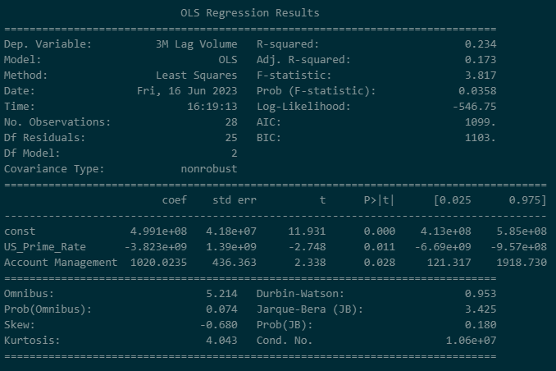

Model Equation: | 3M Lag Existing Volume = 499,100,000 - 3,823,000,000(lag(US Prime Rate)) + 1020.0235(Account Management)

4M Lag Regression
P.Oakley
Existing Customer Volume Analysis
Note: US Prime Rate time series is lagged 1 month for predictive ability in model
Note: Data represents time series volume for customers who have existed for at least 4 months

Regression of Account Management Spend and US Prime Rate on 4M Lag Existing Volume: Actual vs Predicted

Actual vs Predicted Volume
Month | Existing Volume 4M Lag | Regression Predicted Existing Volume | Residual
2021-01-01 | 481,996,000 | 402,919,678 | 79,076,322
2021-02-01 | 434,881,000 | 402,919,678 | 31,961,322
2021-03-01 | 392,953,000 | 402,919,678 | (9,966,678)
2021-04-01 | 437,437,000 | 403,308,664 | 34,128,336
2021-05-01 | 440,725,000 | 411,026,968 | 29,698,032
2021-06-01 | 304,642,000 | 402,919,678 | (98,277,678)
2021-07-01 | 313,023,000 | 402,919,678 | (89,896,678)
2021-08-01 | 365,856,000 | 414,865,647 | (49,009,647)
2021-09-01 | 380,867,000 | 416,503,484 | (35,636,484)
2021-10-01 | 472,892,000 | 444,449,067 | 28,442,933
2021-11-01 | 523,764,000 | 433,936,205 | 89,827,795
2021-12-01 | 470,325,000 | 488,598,994 | (18,273,994)
2022-01-01 | 505,897,000 | 472,527,725 | 33,369,275
2022-02-01 | 434,209,000 | 463,540,097 | (29,331,097)
2022-03-01 | 449,027,000 | 467,122,864 | (18,095,864)
2022-04-01 | 403,378,000 | 494,450,650 | (91,072,650)
2022-05-01 | 434,199,000 | 504,922,566 | (70,723,566)
2022-06-01 | 484,670,000 | 494,300,120 | (9,630,120)
2022-07-01 | 471,886,000 | 461,358,544 | 10,527,456
2022-08-01 | 543,919,000 | 433,023,383 | 110,895,617
2022-09-01 | 515,388,000 | 383,089,846 | 132,298,154
2022-10-01 | 482,060,000 | 426,195,060 | 55,864,940
2022-11-01 | 459,246,000 | 404,903,187 | 54,342,813
2022-12-01 | 419,153,000 | 403,725,401 | 15,427,599
2023-01-01 | 463,322,000 | 375,158,410 | 88,163,590
2023-02-01 | 363,103,000 | 402,561,460 | (39,458,460)
2023-03-01 | 372,447,000 | 387,704,722 | (15,257,722)
2023-04-01 | 115,559,000 | 334,952,544 | (219,393,544)

Regression of Account Management Spend and US Prime Rate on 4M Lag Existing Volume: Model Outputs
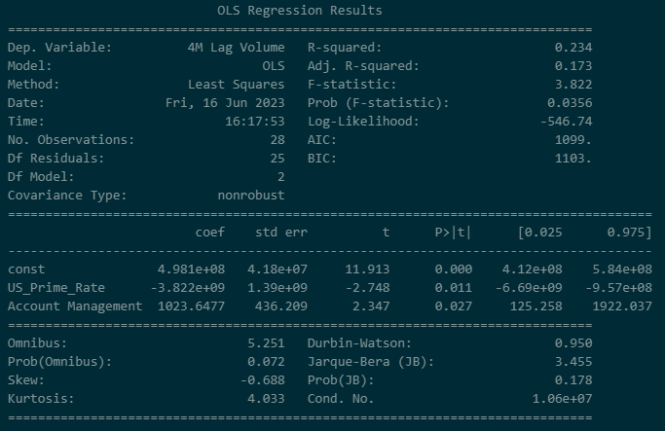

Model Equation: | 4M Lag Existing Volume = 498,100,000 - 3,822,000,000(lag(US Prime Rate)) + 1023.6477(Account Management)

5M Lag Regression
P.Oakley
Existing Customer Volume Analysis
Note: US Prime Rate time series is lagged 1 month for predictive ability in model
Note: Data represents time series volume for customers who have existed for at least 5 months

Regression of Account Management Spend and US Prime Rate on 5M Lag Existing Volume: Actual vs Predicted

Actual vs Predicted Volume
Month | Existing Volume 5M Lag | Regression Predicted Existing Volume | Residual
2021-01-01 | 479,035,000 | 402,171,532 | 76,863,468
2021-02-01 | 434,680,000 | 402,171,532 | 32,508,468
2021-03-01 | 392,953,000 | 402,171,532 | (9,218,532)
2021-04-01 | 437,422,000 | 402,559,794 | 34,862,206
2021-05-01 | 440,391,000 | 410,263,739 | 30,127,261
2021-06-01 | 304,459,000 | 402,171,532 | (97,712,532)
2021-07-01 | 309,455,000 | 402,171,532 | (92,716,532)
2021-08-01 | 365,715,000 | 414,095,277 | (48,380,277)
2021-09-01 | 380,828,000 | 415,730,066 | (34,902,066)
2021-10-01 | 472,169,000 | 443,623,660 | 28,545,340
2021-11-01 | 523,289,000 | 433,130,356 | 90,158,644
2021-12-01 | 465,646,000 | 487,691,451 | (22,045,451)
2022-01-01 | 505,814,000 | 471,650,080 | 34,163,920
2022-02-01 | 434,180,000 | 462,679,173 | (28,499,173)
2022-03-01 | 448,967,000 | 466,255,275 | (17,288,275)
2022-04-01 | 403,211,000 | 493,562,600 | (90,351,600)
2022-05-01 | 434,080,000 | 504,015,034 | (69,935,034)
2022-06-01 | 483,142,000 | 493,473,110 | (10,331,110)
2022-07-01 | 471,771,000 | 460,683,957 | 11,087,043
2022-08-01 | 543,431,000 | 432,492,649 | 110,938,351
2022-09-01 | 515,326,000 | 382,652,009 | 132,673,991
2022-10-01 | 481,721,000 | 425,768,170 | 55,952,830
2022-11-01 | 459,014,000 | 404,515,908 | 54,498,092
2022-12-01 | 419,139,000 | 403,431,452 | 15,707,548
2023-01-01 | 463,243,000 | 374,978,366 | 88,264,634
2023-02-01 | 362,466,000 | 402,330,436 | (39,864,436)
2023-03-01 | 372,084,000 | 387,531,717 | (15,447,717)
2023-04-01 | 115,249,000 | 334,908,059 | (219,659,059)

Regression of Account Management Spend and US Prime Rate on 5M Lag Existing Volume: Model Outputs
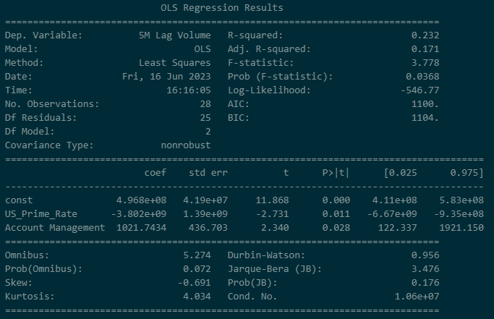

Model Equation: | 5M Lag Existing Volume = 496,800,000 - 3,802,000,000(lag(US Prime Rate)) + 1021.7434(Account Management)

6M Lag Regression
P.Oakley
Existing Customer Volume Analysis
Note: US Prime Rate time series is lagged 1 month for predictive ability in model
Note: Data represents time series volume for customers who have existed for at least 6 months

Regression of Account Management Spend and US Prime Rate on 6M Lag Existing Volume: Actual vs Predicted

Actual vs Predicted Volume
Month | Existing Volume 6M Lag | Regression Predicted Existing Volume | Residual
2021-01-01 | 479,032,000 | 401,432,606 | 77,599,394
2021-02-01 | 433,006,000 | 401,432,606 | 31,573,394
2021-03-01 | 392,500,000 | 401,432,606 | (8,932,606)
2021-04-01 | 437,422,000 | 401,818,281 | 35,603,719
2021-05-01 | 440,374,000 | 409,470,879 | 30,903,121
2021-06-01 | 303,962,000 | 401,432,606 | (97,470,606)
2021-07-01 | 309,348,000 | 401,432,606 | (92,084,606)
2021-08-01 | 362,468,000 | 413,276,879 | (50,808,879)
2021-09-01 | 380,563,000 | 414,900,773 | (34,337,773)
2021-10-01 | 472,126,000 | 442,608,455 | 29,517,545
2021-11-01 | 522,667,000 | 432,185,089 | 90,481,911
2021-12-01 | 465,099,000 | 486,382,534 | (21,283,534)
2022-01-01 | 496,944,000 | 470,448,079 | 26,495,921
2022-02-01 | 434,091,000 | 461,536,963 | (27,445,963)
2022-03-01 | 448,933,000 | 465,089,230 | (16,156,230)
2022-04-01 | 402,721,000 | 492,241,120 | (89,520,120)
2022-05-01 | 433,730,000 | 502,623,889 | (68,893,889)
2022-06-01 | 482,926,000 | 492,205,363 | (9,279,363)
2022-07-01 | 470,152,000 | 459,714,456 | 10,437,544
2022-08-01 | 543,278,000 | 431,790,749 | 111,487,251
2022-09-01 | 515,123,000 | 382,282,297 | 132,840,703
2022-10-01 | 481,613,000 | 425,190,793 | 56,422,207
2022-11-01 | 458,685,000 | 404,080,178 | 54,604,822
2022-12-01 | 418,871,000 | 403,082,655 | 15,788,345
2023-01-01 | 463,233,000 | 374,872,347 | 88,360,653
2023-02-01 | 362,428,000 | 402,042,114 | (39,614,114)
2023-03-01 | 371,046,000 | 387,368,597 | (16,322,597)
2023-04-01 | 115,156,000 | 335,122,245 | (219,966,245)

Regression of Account Management Spend and US Prime Rate on 6M Lag Existing Volume: Model Outputs
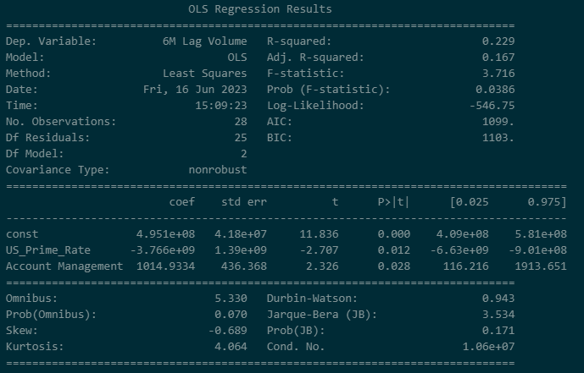

Model Equation: | 6M Lag Existing Volume = 495,100,000 - 3,766,000,000(lag(US Prime Rate)) + 1014.9334(Account Management)

1M Lag Decomp Regression
P.Oakley
Existing Customer Volume Analysis
Note: US Prime Rate time series is lagged 1 month for predictive ability in model
Note: Data represents time series volume for customers who have existed for at least 1 month

Decomposed 1M Lag Existing Volume:

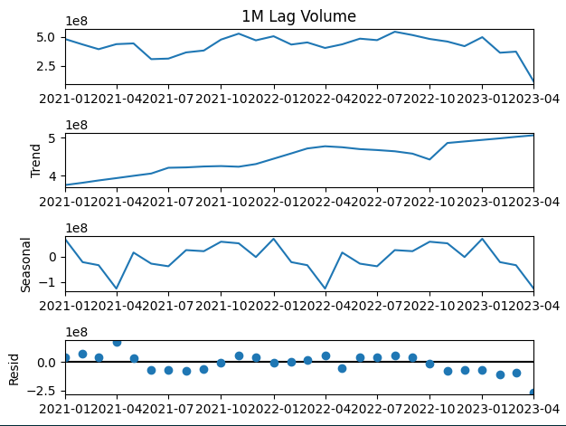
Month | Existing Volume 1M Lag | Existing Volume Trend Component | Existing Volume Seasonal Component | Existing Volume Residual Component
2021-01-01 | 482,539,000 | 375,640,352 | 70,950,564 | 35,948,084
2021-02-01 | 435,043,000 | 381,717,701 | (21,466,620) | 74,791,919
2021-03-01 | 394,415,000 | 387,795,050 | (33,591,109) | 40,211,060
2021-04-01 | 437,883,000 | 393,872,399 | (126,126,891) | 170,137,492
2021-05-01 | 444,177,000 | 399,949,748 | 16,485,281 | 27,741,971
2021-06-01 | 308,709,000 | 406,027,097 | (27,481,852) | (69,836,245)
2021-07-01 | 313,384,000 | 421,131,917 | (37,806,199) | (69,941,717)
2021-08-01 | 366,614,000 | 422,083,750 | 26,144,217 | (81,613,967)
2021-09-01 | 383,026,000 | 424,483,125 | 21,900,030 | (63,357,155)
2021-10-01 | 477,088,000 | 425,541,042 | 59,325,426 | (7,778,467)
2021-11-01 | 528,363,000 | 423,849,708 | 53,021,731 | 51,491,560
2021-12-01 | 470,618,000 | 430,873,458 | (1,354,579) | 41,099,120
2022-01-01 | 505,987,000 | 444,849,000 | 70,950,564 | (9,812,564)
2022-02-01 | 434,439,000 | 458,900,333 | (21,466,620) | (2,994,713)
2022-03-01 | 452,604,000 | 471,867,583 | (33,591,109) | 14,327,526
2022-04-01 | 405,084,000 | 477,637,708 | (126,126,891) | 53,573,182
2022-05-01 | 436,384,000 | 475,031,917 | 16,485,281 | (55,133,198)
2022-06-01 | 485,072,000 | 470,108,833 | (27,481,852) | 42,445,018
2022-07-01 | 472,434,000 | 467,689,708 | (37,806,199) | 42,550,491
2022-08-01 | 544,796,000 | 464,429,042 | 26,144,217 | 54,222,741
2022-09-01 | 516,058,000 | 458,192,042 | 21,900,030 | 35,965,928
2022-10-01 | 482,539,000 | 442,826,333 | 59,325,426 | (19,612,759)
2022-11-01 | 460,373,000 | 486,234,056 | 53,021,731 | (78,882,787)
2022-12-01 | 420,454,000 | 490,298,925 | (1,354,579) | (68,490,347)
2023-01-01 | 498,092,000 | 494,363,795 | 70,950,564 | (67,222,359)
2023-02-01 | 364,078,000 | 498,428,665 | (21,466,620) | (112,884,045)
2023-03-01 | 373,277,000 | 502,493,535 | (33,591,109) | (95,625,426)
2023-04-01 | 115,634,000 | 506,558,405 | (126,126,891) | (264,797,514)

Regression of Account Management Spend on Trend Component of 1M Lag Existing Volume: Model Outputs
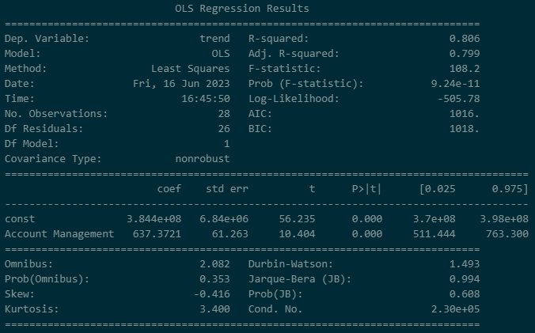
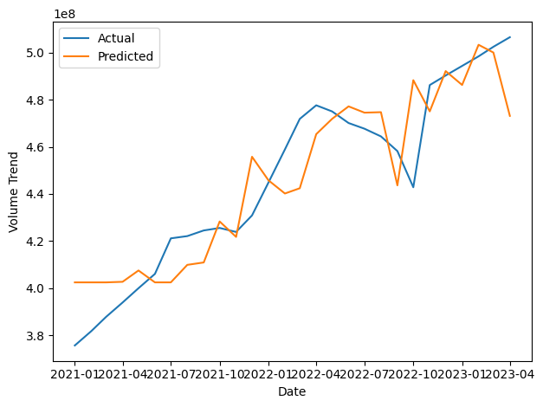

Model Equation: | Trend Component 1M Lag Existing Volume = 384,400,000 + 637.3721(Account Management)

Regression of US Prime Rate on Residual + Seasonal Component of 1M Lag Existing Volume: Model Outputs
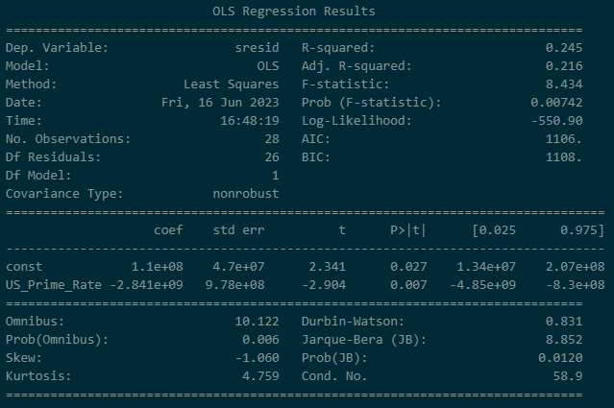
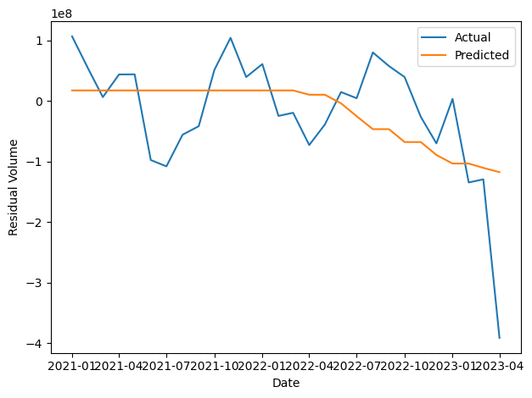

Model Equation: | Seasonal + Residual Component 1M Lag Existing Volume = 110,000,000 - 2,841,000,000(lag(US Prime Rate))

2M Lag Decomp Regression
P.Oakley
Existing Customer Volume Analysis
Note: US Prime Rate time series is lagged 1 month for predictive ability in model
Note: Data represents time series volume for customers who have existed for at least 2 months

Decomposed 2M Lag Existing Volume:

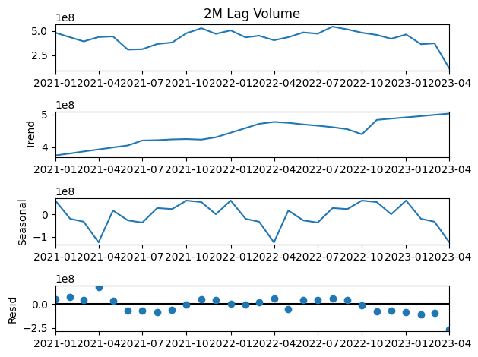
Month | Existing Volume 2M Lag | Existing Volume Trend Component | Existing Volume Seasonal Component | Existing Volume Residual Component
2021-01-01 | 482,533,000 | 375,327,160 | 60,855,809 | 46,350,032
2021-02-01 | 434,894,000 | 381,406,551 | (20,306,569) | 73,794,018
2021-03-01 | 393,084,000 | 387,485,942 | (33,134,045) | 38,732,102
2021-04-01 | 437,757,000 | 393,565,334 | (124,899,811) | 169,091,478
2021-05-01 | 443,989,000 | 399,644,725 | 16,511,155 | 27,833,120
2021-06-01 | 308,692,000 | 405,724,116 | (27,243,332) | (69,788,784)
2021-07-01 | 313,099,000 | 420,834,167 | (37,092,545) | (70,642,622)
2021-08-01 | 366,335,000 | 421,785,042 | 27,455,643 | (82,905,684)
2021-09-01 | 381,948,000 | 424,193,542 | 23,003,309 | (65,248,851)
2021-10-01 | 477,035,000 | 425,251,000 | 60,808,976 | (9,024,976)
2021-11-01 | 528,351,000 | 423,547,917 | 54,028,797 | 50,774,286
2021-12-01 | 470,583,000 | 430,568,667 | 12,613 | 40,001,720
2022-01-01 | 505,953,000 | 444,546,042 | 60,855,809 | 551,150
2022-02-01 | 434,295,000 | 458,593,167 | (20,306,569) | (3,991,597)
2022-03-01 | 451,487,000 | 471,598,583 | (33,134,045) | 13,022,461
2022-04-01 | 404,733,000 | 477,406,875 | (124,899,811) | 52,225,936
2022-05-01 | 436,139,000 | 474,761,667 | 16,511,155 | (55,133,822)
2022-06-01 | 485,040,000 | 469,795,250 | (27,243,332) | 42,488,082
2022-07-01 | 472,208,000 | 465,958,625 | (37,092,545) | 43,341,920
2022-08-01 | 544,357,000 | 461,296,375 | 27,455,643 | 55,604,982
2022-09-01 | 516,056,000 | 455,104,542 | 23,003,309 | 37,948,149
2022-10-01 | 482,326,000 | 439,792,750 | 60,808,976 | (18,275,726)
2022-11-01 | 459,575,000 | 483,621,191 | 54,028,797 | (78,074,988)
2022-12-01 | 420,165,000 | 487,454,808 | 12,613 | (67,302,422)
2023-01-01 | 464,292,000 | 491,288,426 | 60,855,809 | (87,852,235)
2023-02-01 | 364,062,000 | 495,122,044 | (20,306,569) | (110,753,474)
2023-03-01 | 373,116,000 | 498,955,661 | (33,134,045) | (92,705,617)
2023-04-01 | 115,621,000 | 502,789,279 | (124,899,811) | (262,268,467)

Regression of Account Management Spend on Trend Component of 2M Lag Existing Volume: Model Outputs
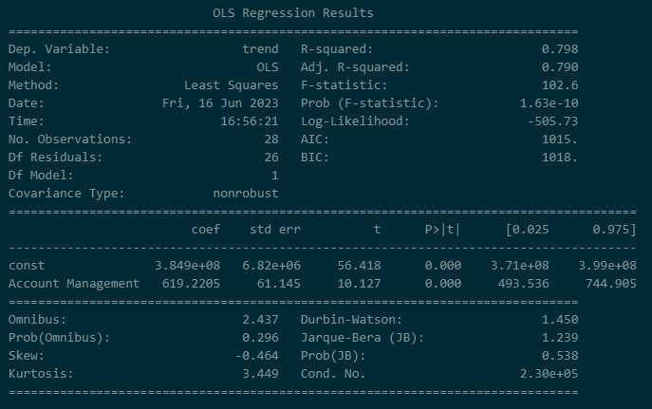


Model Equation: | Trend Component 2M Lag Existing Volume = 384,900,000 + 619.2205(Account Management)

Regression of US Prime Rate on Residual + Seasonal Component of 2M Lag Existing Volume: Model Outputs
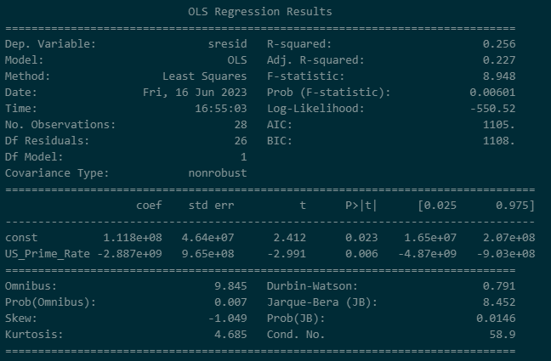
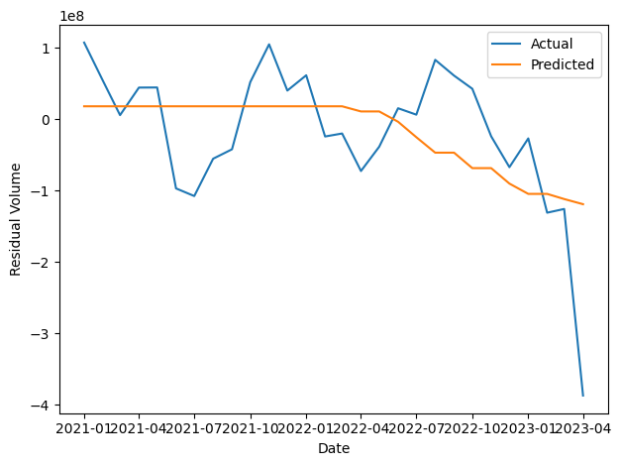

Model Equation: | Seasonal + Residual Component 2M Lag Existing Volume = 118,000,000 - 2,887,000,000(lag(US Prime Rate))

3M Lag Decomp Regression
P.Oakley
Existing Customer Volume Analysis
Note: US Prime Rate time series is lagged 1 month for predictive ability in model
Note: Data represents time series volume for customers who have existed for at least 3 months

Decomposed 3M Lag Existing Volume:


Month | Existing Volume 3M Lag | Existing Volume Trend Component | Existing Volume Seasonal Component | Existing Volume Residual Component
2021-01-01 | 482,533,000 | 374,354,579 | 61,370,095 | 46,808,326
2021-02-01 | 434,881,000 | 380,456,644 | (19,924,705) | 74,349,060
2021-03-01 | 392,976,000 | 386,558,709 | (33,400,226) | 39,817,517
2021-04-01 | 437,594,000 | 392,660,774 | (124,849,887) | 169,783,113
2021-05-01 | 440,914,000 | 398,762,839 | 15,281,751 | 26,869,410
2021-06-01 | 308,591,000 | 404,864,904 | (26,801,885) | (69,472,019)
2021-07-01 | 313,086,000 | 420,150,042 | (36,559,204) | (70,504,838)
2021-08-01 | 365,865,000 | 421,098,167 | 27,605,546 | (82,838,713)
2021-09-01 | 381,487,000 | 423,411,542 | 23,201,254 | (65,125,796)
2021-10-01 | 473,375,000 | 424,332,708 | 59,547,171 | (10,504,879)
2021-11-01 | 528,238,000 | 422,689,417 | 54,373,680 | 51,174,903
2021-12-01 | 470,567,000 | 429,805,667 | 156,409 | 40,604,924
2022-01-01 | 505,920,000 | 443,775,375 | 61,370,095 | 774,530
2022-02-01 | 434,249,000 | 457,825,417 | (19,924,705) | (3,651,712)
2022-03-01 | 449,129,000 | 470,840,625 | (33,400,226) | 11,688,601
2022-04-01 | 403,549,000 | 476,806,250 | (124,849,887) | 51,592,637
2022-05-01 | 435,520,000 | 474,303,750 | 15,281,751 | (54,065,501)
2022-06-01 | 484,775,000 | 469,300,958 | (26,801,885) | 42,275,927
2022-07-01 | 472,175,000 | 465,425,458 | (36,559,204) | 43,308,746
2022-08-01 | 543,977,000 | 460,728,833 | 27,605,546 | 55,642,621
2022-09-01 | 515,740,000 | 454,609,042 | 23,201,254 | 37,929,704
2022-10-01 | 482,297,000 | 439,441,042 | 59,547,171 | (16,691,213)
2022-11-01 | 459,256,000 | 483,253,315 | 54,373,680 | (78,370,995)
2022-12-01 | 419,482,000 | 487,126,607 | 156,409 | (67,801,016)
2023-01-01 | 463,993,000 | 490,999,899 | 61,370,095 | (88,376,994)
2023-02-01 | 363,457,000 | 494,873,191 | (19,924,705) | (111,491,486)
2023-03-01 | 373,046,000 | 498,746,483 | (33,400,226) | (92,300,256)
2023-04-01 | 115,600,000 | 502,619,774 | (124,849,887) | (262,169,888)

Regression of Account Management Spend on Trend Component of 3M Lag Existing Volume: Model Outputs



Model Equation: | Trend Component 3M Lag Existing Volume = 383,900,000 + 623.2528(Account Management)

Regression of US Prime Rate on Residual + Seasonal Component of 3M Lag Existing Volume: Model Outputs
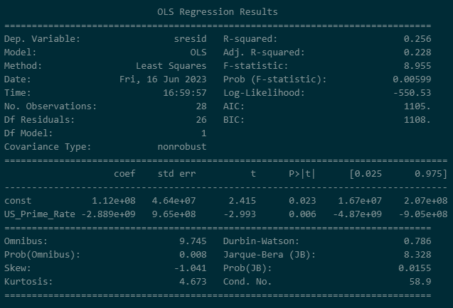


Model Equation: | Seasonal + Residual Component 3M Lag Existing Volume = 112,000,000 - 2,889,000,000(lag(US Prime Rate))

4M Lag Decomp Regression
P.Oakley
Existing Customer Volume Analysis
Note: US Prime Rate time series is lagged 1 month for predictive ability in model
Note: Data represents time series volume for customers who have existed for at least 4 months

Decomposed 4M Lag Existing Volume:

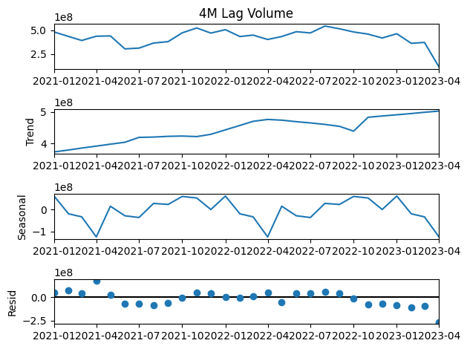
Month | Existing Volume 4M Lag | Existing Volume Trend Component | Existing Volume Seasonal Component | Existing Volume Residual Component
2021-01-01 | 481,996,000 | 373,078,843 | 61,616,933 | 47,300,224
2021-02-01 | 434,881,000 | 379,230,795 | (19,431,761) | 75,081,966
2021-03-01 | 392,953,000 | 385,382,748 | (33,057,039) | 40,627,291
2021-04-01 | 437,437,000 | 391,534,700 | (124,432,220) | 170,334,520
2021-05-01 | 440,725,000 | 397,686,652 | 15,299,141 | 27,739,207
2021-06-01 | 304,642,000 | 403,838,605 | (28,172,627) | (71,023,978)
2021-07-01 | 313,023,000 | 419,275,958 | (36,139,742) | (70,113,217)
2021-08-01 | 365,856,000 | 420,243,833 | 28,177,675 | (82,565,508)
2021-09-01 | 380,867,000 | 422,552,250 | 23,340,258 | (65,025,508)
2021-10-01 | 472,892,000 | 423,469,542 | 59,821,758 | (10,399,300)
2021-11-01 | 523,764,000 | 421,778,500 | 52,662,511 | 49,322,989
2021-12-01 | 470,325,000 | 429,007,750 | 315,112 | 41,002,138
2022-01-01 | 505,897,000 | 443,128,208 | 61,616,933 | 1,151,858
2022-02-01 | 434,209,000 | 457,166,792 | (19,431,761) | (3,526,030)
2022-03-01 | 449,027,000 | 470,191,125 | (33,057,039) | 11,892,914
2022-04-01 | 403,378,000 | 476,178,167 | (124,432,220) | 51,632,053
2022-05-01 | 434,199,000 | 473,871,917 | 15,299,141 | (54,972,057)
2022-06-01 | 484,670,000 | 469,051,500 | (28,172,627) | 43,791,127
2022-07-01 | 471,886,000 | 465,145,375 | (36,139,742) | 42,880,367
2022-08-01 | 543,919,000 | 460,408,667 | 28,177,675 | 55,332,658
2022-09-01 | 515,388,000 | 454,255,083 | 23,340,258 | 37,792,658
2022-10-01 | 482,060,000 | 439,071,792 | 59,821,758 | (16,833,550)
2022-11-01 | 459,246,000 | 483,139,328 | 52,662,511 | (76,555,839)
2022-12-01 | 419,153,000 | 487,072,876 | 315,112 | (68,234,988)
2023-01-01 | 463,322,000 | 491,006,424 | 61,616,933 | (89,301,357)
2023-02-01 | 363,103,000 | 494,939,972 | (19,431,761) | (112,405,211)
2023-03-01 | 372,447,000 | 498,873,520 | (33,057,039) | (93,369,481)
2023-04-01 | 115,559,000 | 502,807,068 | (124,432,220) | (262,815,848)

Regression of Account Management Spend on Trend Component of 4M Lag Existing Volume: Model Outputs
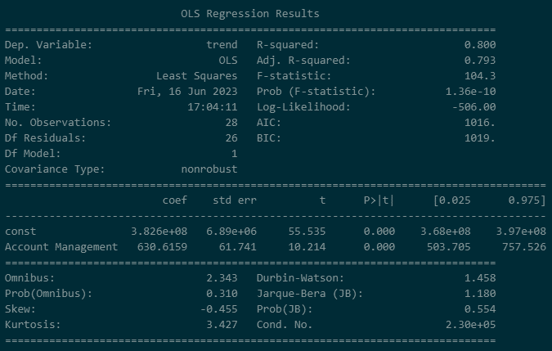


Model Equation: | Trend Component 4M Lag Existing Volume = 382,600,000 + 630.6159(Account Management)

Regression of US Prime Rate on Residual + Seasonal Component of 4M Lag Existing Volume: Model Outputs

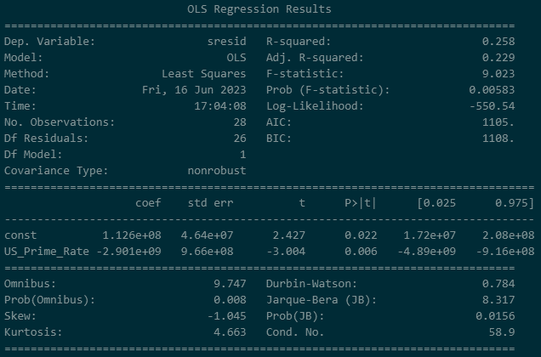

Model Equation: | Seasonal + Residual Component 4M Lag Existing Volume = 112,600,000 - 2,901,000,000(lag(US Prime Rate))

5M Lag Decomp Regression
P.Oakley
Existing Customer Volume Analysis
Note: US Prime Rate time series is lagged 1 month for predictive ability in model
Note: Data represents time series volume for customers who have existed for at least 5 months

Decomposed 5M Lag Existing Volume:


Month | Existing Volume 5M Lag | Existing Volume Trend Component | Existing Volume Seasonal Component | Existing Volume Residual Component
2021-01-01 | 479,035,000 | 371,890,022 | 61,320,959 | 45,824,019
2021-02-01 | 434,680,000 | 378,077,168 | (19,050,876) | 75,653,708
2021-03-01 | 392,953,000 | 384,264,313 | (32,555,016) | 41,243,703
2021-04-01 | 437,422,000 | 390,451,459 | (123,990,212) | 170,960,754
2021-05-01 | 440,391,000 | 396,638,604 | 15,986,721 | 27,765,676
2021-06-01 | 304,459,000 | 402,825,749 | (28,233,894) | (70,132,856)
2021-07-01 | 309,455,000 | 418,285,958 | (37,295,707) | (71,535,252)
2021-08-01 | 365,715,000 | 419,380,917 | 28,497,752 | (82,163,668)
2021-09-01 | 380,828,000 | 421,694,000 | 23,940,981 | (64,806,981)
2021-10-01 | 472,169,000 | 422,602,458 | 59,955,689 | (10,389,148)
2021-11-01 | 523,289,000 | 420,914,042 | 52,885,433 | 49,489,525
2021-12-01 | 465,646,000 | 428,096,208 | (1,461,830) | 39,011,621
2022-01-01 | 505,814,000 | 442,304,500 | 61,320,959 | 2,188,541
2022-02-01 | 434,180,000 | 456,472,500 | (19,050,876) | (3,241,624)
2022-03-01 | 448,967,000 | 469,481,417 | (32,555,016) | 12,040,600
2022-04-01 | 403,211,000 | 475,483,500 | (123,990,212) | 51,717,712
2022-05-01 | 434,080,000 | 473,203,375 | 15,986,721 | (55,110,096)
2022-06-01 | 483,142,000 | 468,587,458 | (28,233,894) | 42,788,436
2022-07-01 | 471,771,000 | 464,875,875 | (37,295,707) | 44,190,832
2022-08-01 | 543,431,000 | 460,114,000 | 28,497,752 | 54,819,248
2022-09-01 | 515,326,000 | 453,922,458 | 23,940,981 | 37,462,561
2022-10-01 | 481,721,000 | 438,720,583 | 59,955,689 | (16,955,273)
2022-11-01 | 459,014,000 | 482,962,512 | 52,885,433 | (76,833,945)
2022-12-01 | 419,139,000 | 486,956,871 | (1,461,830) | (66,356,041)
2023-01-01 | 463,243,000 | 490,951,230 | 61,320,959 | (89,029,189)
2023-02-01 | 362,466,000 | 494,945,590 | (19,050,876) | (113,428,714)
2023-03-01 | 372,084,000 | 498,939,949 | (32,555,016) | (94,300,933)
2023-04-01 | 115,249,000 | 502,934,309 | (123,990,212) | (263,695,096)

Regression of Account Management Spend on Trend Component of 5M Lag Existing Volume: Model Outputs
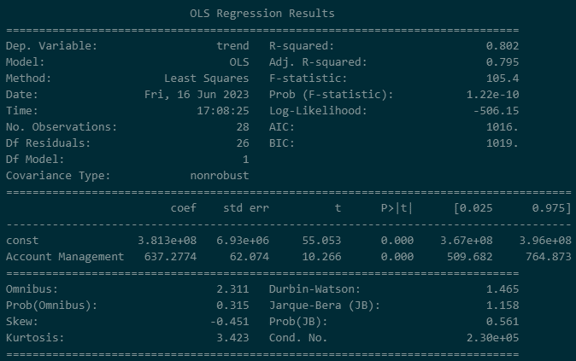


Model Equation: | Trend Component 5M Lag Existing Volume = 381,300,000 + 637.2774(Account Management)

Regression of US Prime Rate on Residual + Seasonal Component of 5M Lag Existing Volume: Model Outputs
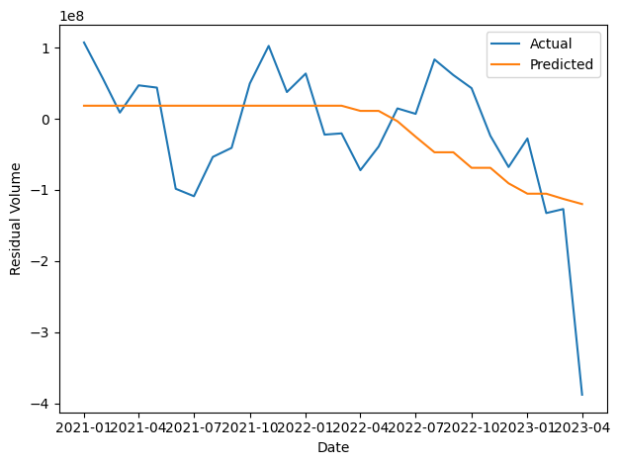
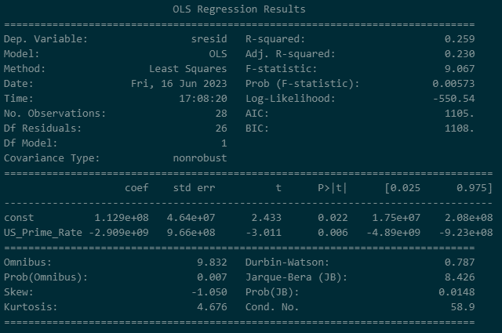

Model Equation: | Seasonal + Residual Component 5M Lag Existing Volume = 112,900,000 - 2,909,000,000(lag(US Prime Rate))

6M Lag Decomp Regression
P.Oakley
Existing Customer Volume Analysis
Note: US Prime Rate time series is lagged 1 month for predictive ability in model
Note: Data represents time series volume for customers who have existed for at least 6 months

Decomposed 6M Lag Existing Volume:

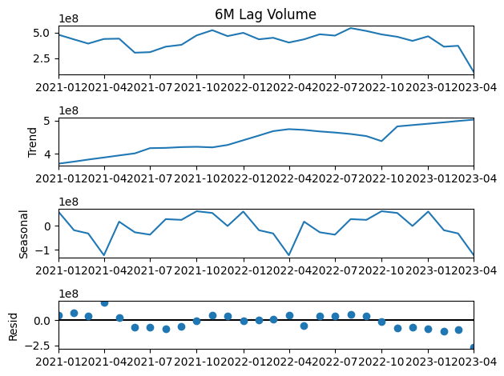
Month | Existing Volume 6M Lag | Existing Volume Trend Component | Existing Volume Seasonal Component | Existing Volume Residual Component
2021-01-01 | 479,032,000 | 370,623,615 | 59,126,404 | 49,281,981
2021-02-01 | 433,006,000 | 376,818,441 | (18,936,415) | 75,123,973
2021-03-01 | 392,500,000 | 383,013,268 | (32,422,067) | 41,908,800
2021-04-01 | 437,422,000 | 389,208,094 | (123,572,900) | 171,786,806
2021-05-01 | 440,374,000 | 395,402,921 | 16,803,201 | 28,167,878
2021-06-01 | 303,962,000 | 401,597,747 | (27,606,170) | (70,029,577)
2021-07-01 | 309,348,000 | 417,293,583 | (37,482,692) | (70,462,891)
2021-08-01 | 362,468,000 | 418,085,125 | 27,439,828 | (83,056,953)
2021-09-01 | 380,563,000 | 420,481,708 | 24,327,162 | (64,245,870)
2021-10-01 | 472,126,000 | 421,387,208 | 60,514,495 | (9,775,703)
2021-11-01 | 522,667,000 | 419,664,500 | 53,064,006 | 49,938,494
2021-12-01 | 465,099,000 | 426,844,500 | (1,254,852) | 39,509,352
2022-01-01 | 496,944,000 | 441,001,500 | 59,126,404 | (3,183,904)
2022-02-01 | 434,091,000 | 455,235,417 | (18,936,415) | (2,208,002)
2022-03-01 | 448,933,000 | 468,375,833 | (32,422,067) | 12,979,234
2022-04-01 | 402,721,000 | 474,377,792 | (123,572,900) | 51,916,109
2022-05-01 | 433,730,000 | 472,107,167 | 16,803,201 | (55,180,368)
2022-06-01 | 482,926,000 | 467,515,083 | (27,606,170) | 43,017,087
2022-07-01 | 470,152,000 | 464,184,292 | (37,482,692) | 43,450,401
2022-08-01 | 543,278,000 | 459,793,708 | 27,439,828 | 56,044,463
2022-09-01 | 515,123,000 | 453,562,458 | 24,327,162 | 37,233,380
2022-10-01 | 481,613,000 | 438,335,292 | 60,514,495 | (17,236,787)
2022-11-01 | 458,685,000 | 482,571,979 | 53,064,006 | (76,950,984)
2022-12-01 | 418,871,000 | 486,647,693 | (1,254,852) | (66,521,842)
2023-01-01 | 463,233,000 | 490,723,407 | 59,126,404 | (86,616,812)
2023-02-01 | 362,428,000 | 494,799,122 | (18,936,415) | (113,434,707)
2023-03-01 | 371,046,000 | 498,874,836 | (32,422,067) | (95,406,769)
2023-04-01 | 115,156,000 | 502,950,550 | (123,572,900) | (264,221,650)

Regression of Account Management Spend on Trend Component of 6M Lag Existing Volume: Model Outputs
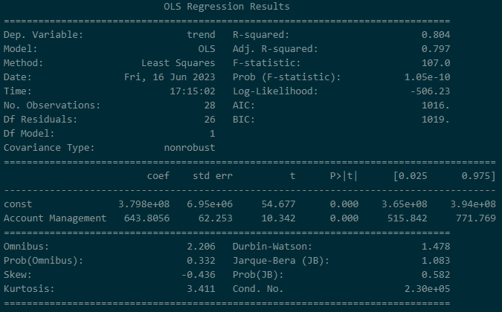


Model Equation: | Trend Component 6M Lag Existing Volume = 379,800,000 + 643.8056(Account Management)

Regression of US Prime Rate on Residual + Seasonal Component of 6M Lag Existing Volume: Model Outputs



Model Equation: | Seasonal + Residual Component 6M Lag Existing Volume = 113,300,000 - 2,916,000,000(lag(US Prime Rate))

